Sheet1
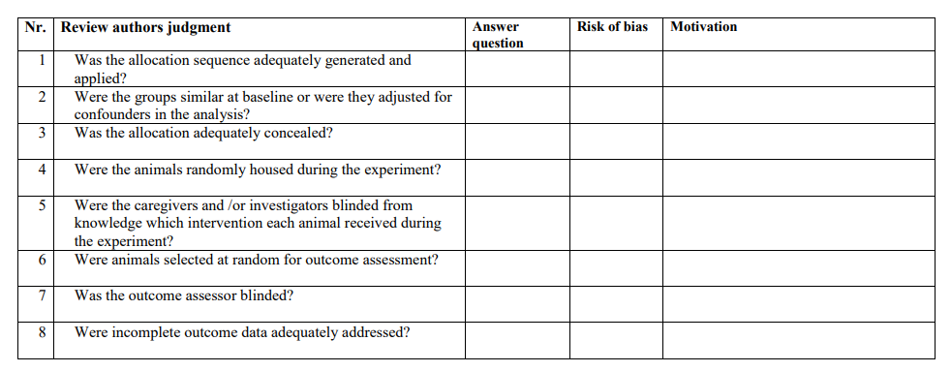
Risk of Bias Estimation | Cochrane risk of bias tool |  |  |  |  |  |  |  | SYRCLE risk of bias tool
PMID | Question 1: | Question 2 | Question 3 | Question 4 | Question 5 | Question 6 | Question 7 | Question 8 | Question 9 | Question 10
22789131 | u | y | n | u | u | u | u | u | y | n, injury group is visibly detectable
25017582 | u | y | n | u | u | u | u | u | n (catwalk data missing) | n, injury group is visibly detectable
28125108 | u | y | n | u | u | u | u | u | y | n, injury group is visibly detectable
19879928 | u | y | n | u | u | u | u | u | y | n, injury group is visibly detectable
27329106 | u | y | n | u | u | u | u | u | y | n, injury group is visibly detectable
24269493 | u | y | n | u | u | u | u | u | y | n, injury group is visibly detectable
17187959 | u | u | n | u | u | u | u | u | n (behaviour not shown) | n, injury group is visibly detectable
25974189 | u | y | y | u | u | u | y | u | y | n, injury group is visibly detectable
27441756 | u | y | n | u | u | u | u | u | y | n, injury group is visibly detectable
28359290 | u | y | n | u | y | u | u | u | y | n, injury group is visibly detectable
27671501 | u | y | n | u | u | u | u | u | y | n, injury group is visibly detectable
14769352 | u | u | u | u | u | u | u | u | y | n, injury group is visibly detectable
12764087 | u | y | n | u | u | u | u | u | y | n, injury group is visibly detectable
31261200 | u | y | n | u | u | u | u | u | u (no graph on PCR data) | n, injury group is visibly detectable
25687543 | u | y | n | u | u | u | u | u | y | n, injury group is visibly detectable
30632086 | u | y | n | u | u | u | u | u | y | n, injury group is visibly detectable
22720761 | u | y | n | u | u | u | u | u | y | n, injury group is visibly detectable
15698937 | u | u | n | u | u | u | u | u | y | n, injury group is visibly detectable
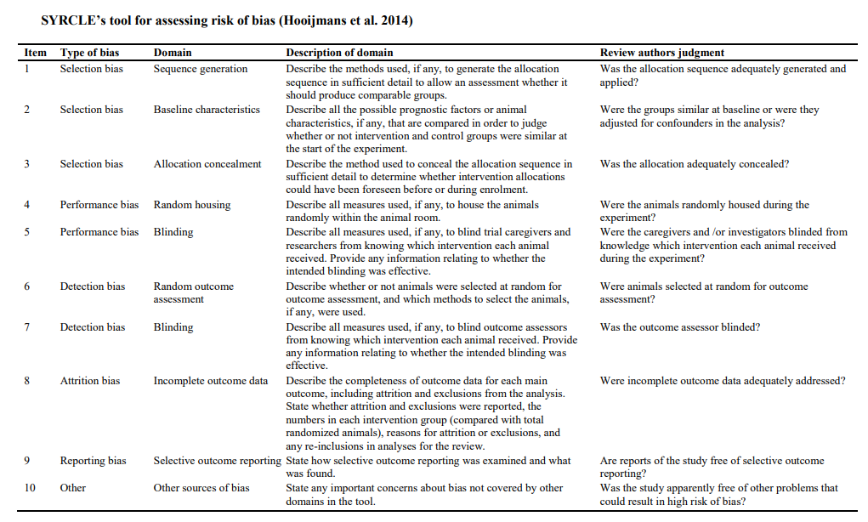
28481389 | u | u | u | u | u | u | u | u | n (cold plate data are not shown) | n, injury group is visibly detectable
27765894 | u | y | n | u | u | u | u | u | y | n, injury group is visibly detectable
8919294 | u | u | u | u | u | u | u | u | y | n, injury group is visibly detectable
30989502 | u | y | y | u | y | u | u | u | y | n, injury group is visibly detectable
27571431 | u | u | u | u | u | u | u | u | y | n, injury group is visibly detectable
30872136 | u | y | n | u | u | u | u | u | y | n, injury group is visibly detectable
12044469 | u | u | u | u | u | u | u | u | y | n, injury group is visibly detectable
10564362 | u | u | u | u | u | u | u | u | y | n, injury group is visibly detectable
30528326 | u | y | y | u | y | u | u | u | y | n, injury group is visibly detectable
25657691 | u | y | n | u | u | u | u | u | y | n, injury group is visibly detectable
29928003 | u | y | n | u | y | u | u | u | y | n, injury group is visibly detectable
18264108 | u | y | n | u | u | u | u | u | u (EM and cultures in supplementary material) | n, injury group is visibly detectable
11275393 | u | u | u | u | u | u | u | u | y | n, injury group is visibly detectable
22050959 | u | y | n | u | u | y | y | u | y | n, injury group is visibly detectable
29369297 | u | y | n | u | u | u | u | u | y | n, injury group is visibly detectable
30769782 | u | y | n | u | u | u | u | u | y | n, injury group is visibly detectable
16289634 | u | y | n | u | u | u | u | u | y | n, injury group is visibly detectable
29921170 | u | y | n | u | u | u | u | u | u (mRNA data in supplementary material) | n, injury group is visibly detectable
30152258 | u | y | n | u | y | u | u | u | y | n, injury group is visibly detectable
15047027 | u | y | n | u | u | u | u | u | y | n, injury group is visibly detectable
18786748 | u | y | n | u | u | u | u | u | y | n, injury group is visibly detectable
29870694 | u | y | n | u | u | u | u | u | y | n, injury group is visibly detectable
26781879 | u | y | n | u | u | u | u | u | y | n, injury group is visibly detectable
19307059 | u | y | n | u | u | u | u | u | y | n, injury group is visibly detectable
9483516 | u | u | u | u | u | u | u | u | y | n, injury group is visibly detectable
14769355 | u | u | u | u | u | u | u | u | y | n, injury group is visibly detectable
28011263 | u | y | n | u | y | u | u | u | y | n, injury group is visibly detectable
21310637 | u | y | n | u | y | u | u | u | n (no data to anterograde transport) | n, injury group is visibly detectable
28256957 | u | y | n | u | y | u | u | u | y | n, injury group is visibly detectable
29885668 | u | y | n | u | u | u | u | u | y | n, injury group is visibly detectable
30448292 | u | y | n | u | u | u | u | u | y | n, injury group is visibly detectable
30859436 | u | y | n | u | u | u | u | u | y | n, injury group is visibly detectable
30076959 | u | y | n | u | u | u | u | u | u (data on cultures in suplementary files) | n, injury group is visibly detectable
26005195 | u | y | n | u | y | u | u | u | n (no data on posture) | n, injury group is visibly detectable
52

